Sheet1
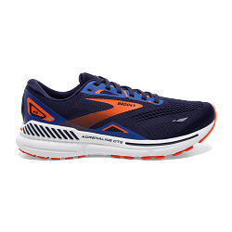

Artikelnummer | Description | Qty available | Tot volume | WHS EUR | RRP EUR
1103911D438.080 | Adrenaline GTS 23 | 3.00 |  | 75.00 € | 150.00 €
1103911D438.090 | Adrenaline GTS 23 | 5.00 |  | 75.00 € | 150.00 €
1103911D438.100 | Adrenaline GTS 23 | 3.00 |  | 75.00 € | 150.00 €
1103911D438.105 | Adrenaline GTS 23 | 19.00 |  | 75.00 € | 150.00 €
1103911D438.110 | Adrenaline GTS 23 | 17.00 |  | 75.00 € | 150.00 €
1103911D438.115 | Adrenaline GTS 23 | 10.00 |  | 75.00 € | 150.00 €
1103911D438.120 | Adrenaline GTS 23 | 10.00 | 67.00 | 75.00 € | 150.00 €
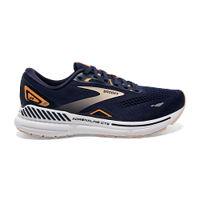
1203811B482.050 | Adrenaline GTS 23 | 3.00 |  | 75.00 € | 150.00 €
1203811B482.055 | Adrenaline GTS 23 | 2.00 |  | 75.00 € | 150.00 €
1203811B482.060 | Adrenaline GTS 23 | 3.00 |  | 75.00 € | 150.00 €
1203811B482.065 | Adrenaline GTS 23 | 11.00 |  | 75.00 € | 150.00 €
1203811B482.070 | Adrenaline GTS 23 | 22.00 |  | 75.00 € | 150.00 €
1203811B482.075 | Adrenaline GTS 23 | 48.00 |  | 75.00 € | 150.00 €
1203811B482.080 | Adrenaline GTS 23 | 27.00 |  | 75.00 € | 150.00 €
1203811B482.085 | Adrenaline GTS 23 | 22.00 |  | 75.00 € | 150.00 €
1203811B482.090 | Adrenaline GTS 23 | 12.00 |  | 75.00 € | 150.00 €
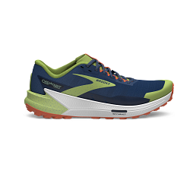
1203811B482.095 | Adrenaline GTS 23 | 9.00 |  | 75.00 € | 150.00 €
1203811B482.100 | Adrenaline GTS 23 | 5.00 |  | 75.00 € | 150.00 €
1203811B482.105 | Adrenaline GTS 23 | 9.00 |  | 75.00 € | 150.00 €
1203811B482.110 | Adrenaline GTS 23 | 3.00 | 176.00 | 75.00 € | 150.00 €

1103991D406.080 | Catamount 2 | 4.00 |  | 85.00 € | 170.00 €
1103991D406.085 | Catamount 2 | 3.00 |  | 85.00 € | 170.00 €
1103991D406.090 | Catamount 2 | 10.00 |  | 85.00 € | 170.00 €
1103991D406.095 | Catamount 2 | 4.00 |  | 85.00 € | 170.00 €
1103991D406.100 | Catamount 2 | 3.00 |  | 85.00 € | 170.00 €
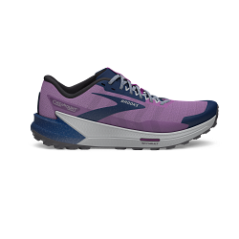
1103991D406.105 | Catamount 2 | 3.00 |  | 85.00 € | 170.00 €
1103991D406.110 | Catamount 2 | 1.00 |  | 85.00 € | 170.00 €
1103991D406.115 | Catamount 2 | 6.00 |  | 85.00 € | 170.00 €
1103991D406.120 | Catamount 2 | 2.00 | 36.00 | 85.00 € | 170.00 €

1203881B517.060 | Catamount 2 | 4.00 |  | 85.00 € | 170.00 €
1203881B517.065 | Catamount 2 | 6.00 |  | 85.00 € | 170.00 €
1203881B517.070 | Catamount 2 | 9.00 |  | 85.00 € | 170.00 €
1203881B517.075 | Catamount 2 | 8.00 |  | 85.00 € | 170.00 €
1203881B517.080 | Catamount 2 | 9.00 |  | 85.00 € | 170.00 €
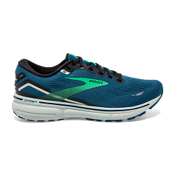
1203881B517.085 | Catamount 2 | 9.00 |  | 85.00 € | 170.00 €
1203881B517.090 | Catamount 2 | 3.00 |  | 85.00 € | 170.00 €
1203881B517.095 | Catamount 2 | 2.00 | 50.00 | 85.00 € | 170.00 €

1103931D462.080 | Ghost 15 | 2.00 |  | 75.00 € | 150.00 €
1103931D462.085 | Ghost 15 | 8.00 |  | 75.00 € | 150.00 €
1103931D462.090 | Ghost 15 | 15.00 |  | 75.00 € | 150.00 €
1103931D462.095 | Ghost 15 | 23.00 |  | 75.00 € | 150.00 €
1103931D462.100 | Ghost 15 | 26.00 |  | 75.00 € | 150.00 €
1103931D462.105 | Ghost 15 | 25.00 |  | 75.00 € | 150.00 €
1103931D462.110 | Ghost 15 | 23.00 |  | 75.00 € | 150.00 €
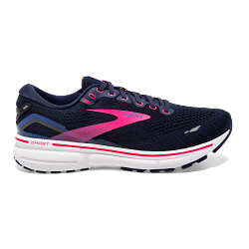
1103931D462.115 | Ghost 15 | 12.00 |  | 75.00 € | 150.00 €
1103931D462.120 | Ghost 15 | 5.00 |  | 75.00 € | 150.00 €
1103931D462.125 | Ghost 15 | 3.00 | 142.00 | 75.00 € | 150.00 €

1203801B460.060 | Ghost 15 | 7.00 |  | 75.00 € | 150.00 €
1203801B460.065 | Ghost 15 | 31.00 |  | 75.00 € | 150.00 €
1203801B460.070 | Ghost 15 | 42.00 |  | 75.00 € | 150.00 €
1203801B460.075 | Ghost 15 | 58.00 |  | 75.00 € | 150.00 €
1203801B460.080 | Ghost 15 | 36.00 |  | 75.00 € | 150.00 €
1203801B460.085 | Ghost 15 | 74.00 |  | 75.00 € | 150.00 €
1203801B460.090 | Ghost 15 | 54.00 |  | 75.00 € | 150.00 €
1203801B460.095 | Ghost 15 | 77.00 |  | 75.00 € | 150.00 €
1203801B460.100 | Ghost 15 | 38.00 |  | 75.00 € | 150.00 €
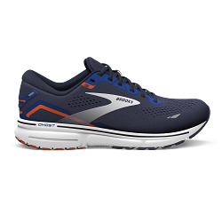
1203801B460.105 | Ghost 15 | 40.00 |  | 75.00 € | 150.00 €
1203801B460.110 | Ghost 15 | 11.00 | 468.00 | 75.00 € | 150.00 €

1103931D438.075 | Ghost 15 IIC | 1.00 |  | 75.00 € | 150.00 €
1103931D438.080 | Ghost 15 IIC | 2.00 |  | 75.00 € | 150.00 €
1103931D438.085 | Ghost 15 IIC | 4.00 |  | 75.00 € | 150.00 €
1103931D438.090 | Ghost 15 IIC | 13.00 |  | 75.00 € | 150.00 €
1103931D438.095 | Ghost 15 IIC | 11.00 |  | 75.00 € | 150.00 €
1103931D438.100 | Ghost 15 IIC | 14.00 |  | 75.00 € | 150.00 €
1103931D438.105 | Ghost 15 IIC | 12.00 |  | 75.00 € | 150.00 €
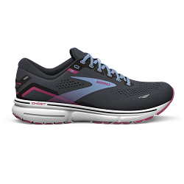
1103931D438.110 | Ghost 15 IIC | 5.00 |  | 75.00 € | 150.00 €
1103931D438.115 | Ghost 15 IIC | 10.00 |  | 75.00 € | 150.00 €
1103931D438.120 | Ghost 15 IIC | 6.00 |  | 75.00 € | 150.00 €
1103931D438.125 | Ghost 15 IIC | 3.00 |  | 75.00 € | 150.00 €
1103931D438.130 | Ghost 15 IIC | 2.00 | 83.00 | 75.00 € | 150.00 €

1203801B082.065 | Ghost 15 IIC | 2.00 |  | 75.00 € | 150.00 €
1203801B082.070 | Ghost 15 IIC | 7.00 |  | 75.00 € | 150.00 €
1203801B082.075 | Ghost 15 IIC | 15.00 |  | 75.00 € | 150.00 €
1203801B082.080 | Ghost 15 IIC | 7.00 |  | 75.00 € | 150.00 €
1203801B082.085 | Ghost 15 IIC | 9.00 |  | 75.00 € | 150.00 €
1203801B082.090 | Ghost 15 IIC | 6.00 |  | 75.00 € | 150.00 €
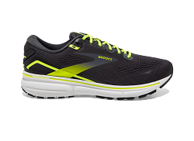
1203801B082.095 | Ghost 15 IIC | 3.00 |  | 75.00 € | 150.00 €
1203801B082.100 | Ghost 15 IIC | 3.00 |  | 75.00 € | 150.00 €
1203801B082.105 | Ghost 15 IIC | 1.00 | 53.00 | 75.00 € | 150.00 €

1103931D076.090 | Ghost 15 Run Visible | 5.00 |  | 75.00 € | 150.00 €
1103931D076.095 | Ghost 15 Run Visible | 3.00 |  | 75.00 € | 150.00 €
1103931D076.100 | Ghost 15 Run Visible | 3.00 |  | 75.00 € | 150.00 €
1103931D076.105 | Ghost 15 Run Visible | 4.00 |  | 75.00 € | 150.00 €
1103931D076.110 | Ghost 15 Run Visible | 1.00 |  | 75.00 € | 150.00 €
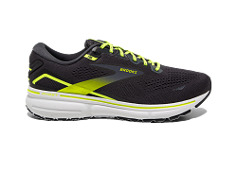
1103931D076.115 | Ghost 15 Run Visible | 3.00 |  | 75.00 € | 150.00 €
1103931D076.120 | Ghost 15 Run Visible | 3.00 | 22.00 | 75.00 € | 150.00 €

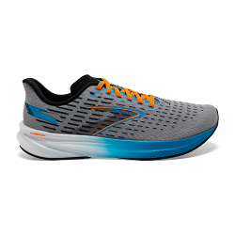
1203801B076.065 | Ghost 15 Run Visible | 2.00 |  | 75.00 € | 150.00 €
1203801B076.070 | Ghost 15 Run Visible | 6.00 |  | 75.00 € | 150.00 €
1203801B076.075 | Ghost 15 Run Visible | 6.00 |  | 75.00 € | 150.00 €
1203801B076.080 | Ghost 15 Run Visible | 9.00 |  | 75.00 € | 150.00 €
1203801B076.085 | Ghost 15 Run Visible | 4.00 |  | 75.00 € | 150.00 €
1203801B076.090 | Ghost 15 Run Visible | 1.00 |  | 75.00 € | 150.00 €
1203801B076.095 | Ghost 15 Run Visible | 1.00 | 29.00 | 75.00 € | 150.00 €

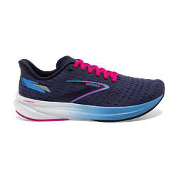
1104071D020.090 | Hyperion | 1.00 |  | 75.00 € | 150.00 €
1104071D020.095 | Hyperion | 2.00 |  | 75.00 € | 150.00 €
1104071D020.100 | Hyperion | 1.00 |  | 75.00 € | 150.00 €
1104071D020.105 | Hyperion | 3.00 |  | 75.00 € | 150.00 €
1104071D020.110 | Hyperion | 4.00 |  | 75.00 € | 150.00 €
1104071D020.120 | Hyperion | 2.00 | 13.00 | 75.00 € | 150.00 €

1203961B430.060 | Hyperion | 1.00 |  | 75.00 € | 150.00 €
1203961B430.065 | Hyperion | 1.00 |  | 75.00 € | 150.00 €
1203961B430.070 | Hyperion | 3.00 |  | 75.00 € | 150.00 €
1203961B430.075 | Hyperion | 6.00 |  | 75.00 € | 150.00 €
1203961B430.080 | Hyperion | 3.00 |  | 75.00 € | 150.00 €
1203961B430.085 | Hyperion | 5.00 |  | 75.00 € | 150.00 €
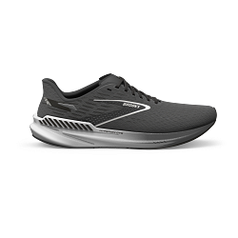
1203961B430.090 | Hyperion | 3.00 |  | 75.00 € | 150.00 €
1203961B430.095 | Hyperion | 4.00 | 26.00 | 75.00 € | 150.00 €

1104081D008.075 | Hyperion GTS | 1.00 |  | 75.00 € | 150.00 €
1104081D008.080 | Hyperion GTS | 4.00 |  | 75.00 € | 150.00 €
1104081D008.085 | Hyperion GTS | 16.00 |  | 75.00 € | 150.00 €
1104081D008.090 | Hyperion GTS | 23.00 |  | 75.00 € | 150.00 €
1104081D008.095 | Hyperion GTS | 24.00 |  | 75.00 € | 150.00 €
1104081D008.100 | Hyperion GTS | 26.00 |  | 75.00 € | 150.00 €
1104081D008.105 | Hyperion GTS | 26.00 |  | 75.00 € | 150.00 €
1104081D008.110 | Hyperion GTS | 24.00 |  | 75.00 € | 150.00 €
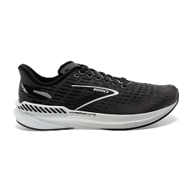
1104081D008.115 | Hyperion GTS | 11.00 |  | 75.00 € | 150.00 €
1104081D008.120 | Hyperion GTS | 9.00 |  | 75.00 € | 150.00 €
1104081D008.125 | Hyperion GTS | 3.00 | 167.00 | 75.00 € | 150.00 €

1203971B008.055 | Hyperion GTS | 3.00 |  | 75.00 € | 150.00 €
1203971B008.060 | Hyperion GTS | 4.00 |  | 75.00 € | 150.00 €
1203971B008.065 | Hyperion GTS | 9.00 |  | 75.00 € | 150.00 €
1203971B008.070 | Hyperion GTS | 20.00 |  | 75.00 € | 150.00 €
1203971B008.075 | Hyperion GTS | 23.00 |  | 75.00 € | 150.00 €
1203971B008.080 | Hyperion GTS | 20.00 |  | 75.00 € | 150.00 €
1203971B008.085 | Hyperion GTS | 23.00 |  | 75.00 € | 150.00 €
1203971B008.090 | Hyperion GTS | 16.00 |  | 75.00 € | 150.00 €
1203971B008.095 | Hyperion GTS | 12.00 |  | 75.00 € | 150.00 €
1203971B008.100 | Hyperion GTS | 6.00 | 136.00 | 75.00 € | 150.00 €

 |  | 1,468.00

